Agriculture
6. Agriculture and Environment
Given the crucial importance of agriculture and the environment, statistical data and information on these sectors offer indispensable support to decision-making. Such data also gives insight into a wide range of economic activities and serves as a basis for building plans and projects aimed at developing and promoting sustainable agriculture sector that preserves the environment and contribute to the enhancement of food security. In spite of the daunting challenges facing this sector, such as water scarcity, high soil salinity, elevated temperatures and high humidity, sound agricultural policies and plans can prove very beneficial to the agricultural sector, not only in terms of the sector's output and its contribution to the economy, but in other ways as well, such as improving air quality. The Emirate of Abu Dhabi's policies and programs reflect the increasing awareness for a better and cleaner environment. Environmental issues are considered amongst the most complicated topics because environment includes a variety of areas, such as air, water and its resources, earth, soil, and the impacts they have on human health and development. Therefore, providing efficient statistics covering a wide range of important environmental aspects has become a necessity for policy makers, analysts, and researchers in order to work on the conservation and development of the emirate's resources. Statistics centre- Abu Dhabi seeks to provide agricultural and environmental statistics that monitor the real status and cover all its aspects as well as monitoring the development taking place in both areas, agriculture and environment, to attain the goal of sustainable development.

Agriculture
Total Number of Holdings (Plant Holdings) |  | 24,290 | 2010
Total Agriculture Area (Donums) |  | 747,679
Total Cultivated Area (Donums) |  | 556,109
Number of Poultry Farms |  | 12
Broiler - Chicken Meat Production (Tons) |  | 15,225
Egg Production (Thousand Eggs) |  | 127,013
Number of Modern Cattle Farms |  | 11
Number of Cattle |  | 9,192
Number of Milking Cows |  | 4,809
Milk Production (Tons) |  | 66,085
Number of Fishing Boats |  | 1,051
Total Number of Fishermen |  | 4,400
Quantity of Fish Caught (Tons) |  | 5,292
Exported Agricultural Goods (Thousand AED) |  | 561,997
Re - Exported Agricultural Goods (Thousand AED) |  | 115,901

Environment
Average Minimum Temperature ( oC) |  | 23.0
Average Minimum Relative Humidity (%) |  | 33.1
Average Rainfall in Millimeters |  | 23.2
Average Maximum Temperature( oC) |  | 34.8
Average Maximum Relative Humidity (%) |  | 78.1
Average Atmospheric Pressure (hPA) |  | 1008.7
% increase in CO2 Emissions - Oil and Gas Sector |  | 9.5
% increase in CO2 Emissions - Water and Electricity Sector |  | 0.8
Number of Working Wells |  | 68,200
Average Withdrawal of Groundwater (MCM) |  | 2,250.9
Average Water consumption per Agricultural Hectare (Cubic Meters) |  | 32,227.7
Total Non-Conventional Water Resources (MCM) |  | 999.3
Quantity of Treated Wastewater (MCM) |  | 246.6
Total Amount of Waste Generated (Tons) |  | 9,974,190
Daily Average of Waste Generated (Tons) |  | 27,326.55

6.1. Agriculture
Agriculture and fisheries activity is one of the main sectors of production and one of the major components of GDP, in addition to being the source of a wide range of food commodities and a supplier for the Emirate’s numerous food processing industries. The agricultural policy further aims to bolster the contribution of Agriculture to economic development raise efficiency in utilizing available agricultural resources technically, economically, and environmentally to attain sustainable development. It also aims to maximize productivity, support agricultural industries, and increase their GDP contribution, as well as achieving a balanced development in the agricultural sector in relation to other economic sectors. Agricultural statistics present data on the number and area of farms and indicators of the area under crops and the quantities and values of agricultural yield. In 2010, there were 24,290 agricultural holdings in the Abu Dhabi Emirate, with a total area of 747,679 donums. About 87% of area was put to various kinds of agricultural land use in 2010. The total number of livestock from sheep and goats in the Emirate of Abu Dhabi was about 2.3 million heads in 2009. The bulk was concentrated in Al-Ain region, where 63% of sheep and goats are raised. The total number of camels reached 378,076 head, 54% of which was in Al-Ain region, too, while cattle numbers were more or less evenly spread over the Emirate’s regions in 2009.

Plant Production
Plant production statistics provide data describing the various developments affecting this activity, which vary from one season to another, and reflect the sector’s contribution to food production and food security in general. These statistics also give insight into the present levels of surplus or shortage in any plant products, thereby enabling the formulation of policies on foreign trade in agricultural products to plan export and import quantities and develop plans of agricultural land use patterns in a way that would reduce the shortage or surplus in certain field crops.

6.1.1. Number and Area of Plant Holdings by Region
(Donums)
Region | 2005 | 2008 | 2009 | 2010
Total
Number | 23,704 | 24,015 | 24,097 | 24,290
Area | 739,686 | 731,512 | 737,957 | 747,679
Abu Dhabi
Number | 4,793 | 3,854 | 3,814 | 3,837
Area | 111,452 | 97,045 | 94,380 | 95,483
Al Ain
Number | 11,529 | 11,751 | 11,782 | 11,894
Area | 438,820 | 443,988 | 436,656 | 441,637
Western Region
Number | 7,382 | 8,410 | 8,501 | 8,559
Area | 189,414 | 190,479 | 206,921 | 210,559
Source: Abu Dhabi Food Control Authority

Figure: 6.1.1. Percentage Distribution of Plant Holdings Area by Region, 2010

 | 94,380
 | 436,656
 | 206,921

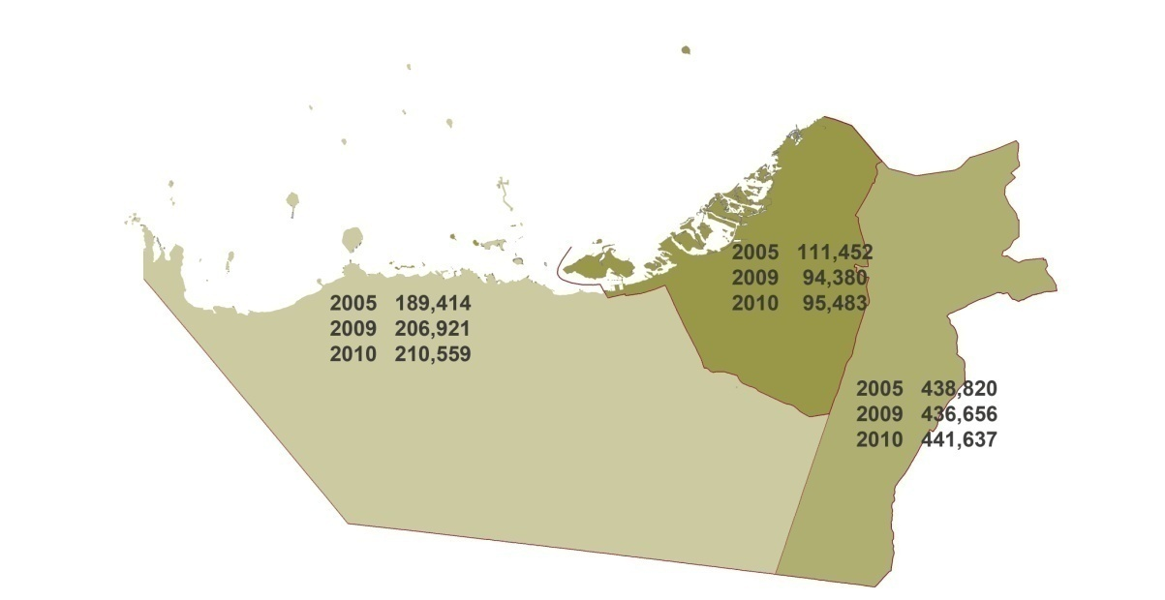
6.1.2. Area of Plant Holdings by Land Use and Region, 2010 |  |  |  |  |  | Area of Plant Holdings by Region, 2010
(Donums)
Item | Total | Abu Dhabi | Al Ain | Western Region
Total Area of Holdings | 747,679 | 95,483 | 441,637 | 210,559
Fruits | 283,976 | 26,447 | 180,220 | 77,309
Crops | 231,919 | 33,708 | 134,734 | 63,477
Vegetable | 11,910 | 4,483 | 3,687 | 3,740
Green Houses | 2,825 | 113 | 1,632 | 1,080
Current Fallow | 92,364 | 5,977 | 60,471 | 25,916
Windbreaks | 25,479 | 7,675 | 8,720 | 9,084
Building | 15,293 | 4,026 | 6,897 | 4,370
Potentially Productive Area | 83,913 | 13,054 | 45,276 | 25,583
Source: Abu Dhabi Food Control Authority

Figure: 6.1.2. Percentage Distribution of Plant Holdings Area by Land Use, 2010

 | 283976 231919 11910 2825 92364 25479 15293 83913
Fruits | 283,976
Crops | 231,919
Vegetable | 11,910
Green Houses | 2,825
Current Fallow | 92,364
Windbreaks | 25,479
Building | 15,293
Potentially Productive Area | 83,913

6.1.3. Area Cultivated with Field Crops by Region
(Donums)
Region | 2005 | 2008 | 2009 | 2010
Total | 200,541 | 242,148 | 232,143 | 231,919
Abu Dhabi | 27,310 | 33,456 | 29,470 | 33,708
Al Ain | 118,682 | 141,191 | 139,048 | 134,734
Western Region | 54,549 | 67,501 | 63,625 | 63,477
Source: Abu Dhabi Food Control Authority

6.1.4. Quantity of Production of Field Crops by Region
(Tons)
Region | 2005 | 2008 | 2009 | 2010
Total | 1,329,889 | 1,249,438 | 1,206,638 | 1,041,325
Abu Dhabi | 210,578 | 178,663 | 165,466 | 153,663
Al Ain | 758,609 | 716,451 | 683,936 | 667,801
Western Region | 360,702 | 534,324 | 357,236 | 219,861
Source: Abu Dhabi Food Control Authority

6.1.5. Value of Field Crops by Region
(Thousand AED)
Region | 2005 | 2008 | 2009 | 2010
Total | 2,123,580 | 2,061,569 | 1,990,953 | 1,699,723
Abu Dhabi | 338,036 | 294,793 | 273,019 | 250,819
Al Ain | 1,204,466 | 1,182,141 | 1,128,495 | 1,090,031
Western Region | 581,078 | 584,635 | 589,439 | 358,873
Source: Abu Dhabi Food Control Authority

Figure: 6.1.3. Percentage Distribution of Area Cultivated with Field Crops by Region, 2010

6.1.6. Quantity of Production, Cultivated Area, and Average Yield of Vegetables by Type, 2010
Type | Production (Tons) | Cultivated Area (Donums) | Avergage Yield (Tons/Domum)
Tomato | 9,112.6 | 4,635 | 1.97
Pepper | 47.6 | 267 | 0.18
Cucumber | 214.8 | 664 | 0.32
Marrow | 87.1 | 1,069 | 0.08
Watermelon | 54.4 | 34 | 1.60
Sweet Melon | 7.7 | 102 | 0.08
Onion | 622.1 | 904 | 0.69
Eggplant | 32.0 | 274 | 0.12
Cauliflower | 20.8 | 242 | 0.09
B.Bean | 0.2 | 2 | 0.11
Cabbage | 1,807.2 | 1,344 | 1.34
J.Mallow | 14.5 | 32 | 0.45
Beets | 53.6 | 53 | 1.01
Corn | 1,417.2 | 1,331 | 1.06
Turnip | 3.5 | 5 | 0.70
Carrot | 4.8 | 28 | 0.17
Beans | 104.8 | 824 | 0.13
Other Vegetables | 11.9 | 99
Source: Abu Dhabi Food Control Authority

6.1.7. Number and Area of Greenhouses by Region
(Donums)
Region | 2005 | 2008 | 2009 | 2010 |  |  | Number and Area of Greenhouses, by Region
Total* |  |  |  |  |  |  | (Donum)
Number | 4,514 | 6,916 | 7,683 | 8,363 |  |  | Region | 2005 | 2006 | 2007 | 2008 | 2009 | 2010
Area | 1,473 | 2,322 | 2,554 | 2,825 |  |  | Total
Abu Dhabi |  |  |  |  |  |  | Number | 4,514 | 4,959 | 8,174 | 6,916 | 7,683 | 8,363
Number | 54 | 102 | 191 | 243 |  |  | Area | 1,473 | 1,569 | 3,975 | 2,322 | 2,554 | 2,825
Area | 22 | 46 | 87 | 113 |  |  | Abu Dhabi
Al Ain |  |  |  |  |  |  | Number | 54 | 54 | 102 | 102 | 191 | 243
Number | 2,141 | 3,948 | 4,313 | 3,268 |  |  | Area | 22 | 22 | 46 | 46 | 87 | 113
Area | 693 | 1,328 | 1,443 | 1,080 |  |  | Al Ain
Western Region |  |  |  |  |  |  | Number | 2,141 | 2,629 | 3,216 | 3,948 | 4,313 | 3,268
Number | 2,319 | 2,866 | 3,179 | 4,852 |  |  | Area | 693 | 824 | 1,246 | 1,328 | 1,443 | 1,080
Area | 758 | 948 | 1,025 | 1,632 |  |  | Western Region
Source: Abu Dhabi Food Control Authority |  |  |  |  |  |  | Number | 2,319 | 2,276 | 4,856 | 2,866 | 3,179 | 4,852
* Figures may not sum up to totals due to rounding |  |  |  |  |  |  | Area | 758 | 723 | 2,683 | 948 | 1,025 | 1,632

Figure 6.1.4. Area of Greenhouses by Region

6.1.8. Number and Area of Fruit Trees by Type - Abu Dhabi Emirate
(Donums)
Fruit Trees* | 2009 |  | 2010
 | Number | Area | Number | Area
Total | 196,239 | 6,504 | 96,134 | 2,817
Lemon | 31,316 | 910 | 33,459 | 941
Orange | 9,526 | 285 | 9,176 | 275
Mango | 10,193 | 328 | 11,870 | 378
Pomegranate | 4,592 | 123 | 4,989 | 118
Figs | 13,961 | 164 | 14,485 | 315
Guavas | 6,151 | 160 | 5,728 | 144
Grapes | 4,772 | 159 | 1,516 | 42
Mulberry | 1,084 | 36 | 1,950 | 65
Almonds | 494 | 16 | 1,139 | 40
Banana | 942 | 31 | 1,555 | 52
Cider | 96,701 | 3,842 | 10,124 | 442
Others | 16,507 | 450 | 143 | 5
Source: Abu Dhabi Food Control Authority
* Except for date palm

6.1.9. Number and Area of Fruit Trees by Type - Abu Dhabi
(Donums)
Fruit Trees* | 2009 |  | 2010 |  |  | Number and Area of Fruit Trees by Region
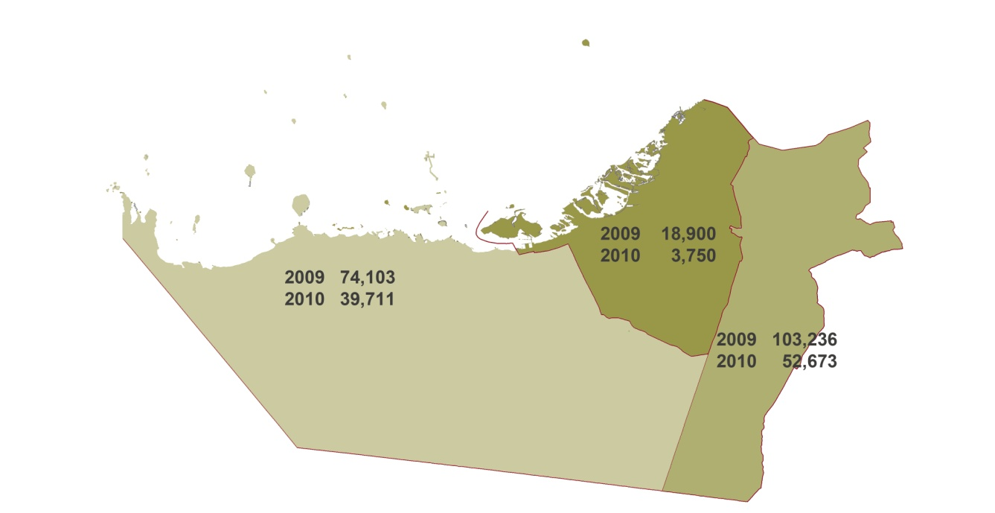
 | Number | Area | Number | Area
Total | 18,900 | 1,383 | 3,750 | 104
Lemon | 2,000 | 75 | 2,000 | 75
Orange | 250 | 6 | 250 | 6
Mango | 500 | 13 | 500 | 12
Pomegranate | 300 | 8 | 300 | 8
Figs | 300 | 2 | 300 | 2
Guavas | 400 | 1 | 400 | 1
Grapes | 0 | 0 | 0 | 0
Mulberry | 0 | 0 | 0 | 0
Almonds | 0 | 0 | 0 | 0
Banana | 0 | 0 | 0 | 0
Cider | 15,000 | 1,275 | 0 | 0
Others | 150 | 3 | 0 | 0
Source: Abu Dhabi Food Control Authority
* Except for date palm

6.1.10. Number and Area of Fruit Trees by Type - Al Ain
(Donums)
Fruit Trees* | 2009 |  | 2010
 | Number | Area | Number | Area
Total | 103,236 | 3,441 | 52,673 | 1,749
Lemon | 17,133 | 571 | 19,241 | 640
Orange | 7,516 | 251 | 7,136 | 240
Mango | 8,824 | 295 | 10,431 | 347
Pomegranate | 2,080 | 69 | 2,528 | 86
Figs | 3,372 | 112 | 3,929 | 129
Guavas | 3,197 | 107 | 3,105 | 103
Grapes | 4,772 | 159 | 1,516 | 42
Mulberry | 1,084 | 36 | 1,950 | 65
Almonds | 494 | 16 | 1,139 | 40
Banana | 942 | 31 | 1,555 | 52
Ziziphus | 43,402 | 1,447 | 0 | 0
Others | 10,420 | 347 | 143 | 5
Source: Abu Dhabi Food Control Authority
* Except for date palm

6.1.11. Number and Area of Fruit Trees by Type - Western Region
(Donums)
Fruit Trees* | 2009 |  | 2010
 | Number | Area | Number | Area
Total | 74,103 | 1,680 | 39,711 | 964
Lemon | 12,183 | 264 | 12,218 | 226
Orange | 1,760 | 28 | 1,790 | 29
Mango | 869 | 20 | 939 | 19
Pomegranate | 2,212 | 46 | 2,161 | 24
Figs | 10,289 | 50 | 10,256 | 184
Guavas | 2,554 | 52 | 2,223 | 40
Grapes | 0 | 0 | 0 | 0
Mulberry | 0 | 0 | 0 | 0
Almonds | 0 | 0 | 0 | 0
Banana | 0 | 0 | 0 | 0
Ziziphus | 38,299 | 1,120 | 10,124 | 442
Others | 5,937 | 100 | 0 | 0
Source: Abu Dhabi Food Control Authority
* Except for date palm

Area of Forest Trees by Region
6.1.12. Number and Area of Forest Trees by Region, 2010
(Donums) |  |  |  |  | Abu Dhabi | 7,675
Region | Number | Area |  |  | Al Ain | 8,720
Total | 1,133,032 | 25,479 |  |  | Western Region | 9,084
Abu Dhabi | 307,000 | 7,675
Al Ain | 342,574 | 8,720
Western Region | 483,458 | 9,084
Source: Abu Dhabi Food Control Authority

6.1.13. Number and Area of Ornamental Plants by Region
(Donums)
Item | 2005 | 2008 | 2009
Total
Number | 1,128,205 | 618,049 | 1,106,139
Area | 33,889.0 | 15,070.0 | 26,091.7
Abu Dhabi
Number | 334,200 | 55,000 | 256,000 |  |  |  | Area of Forest Trees by Region
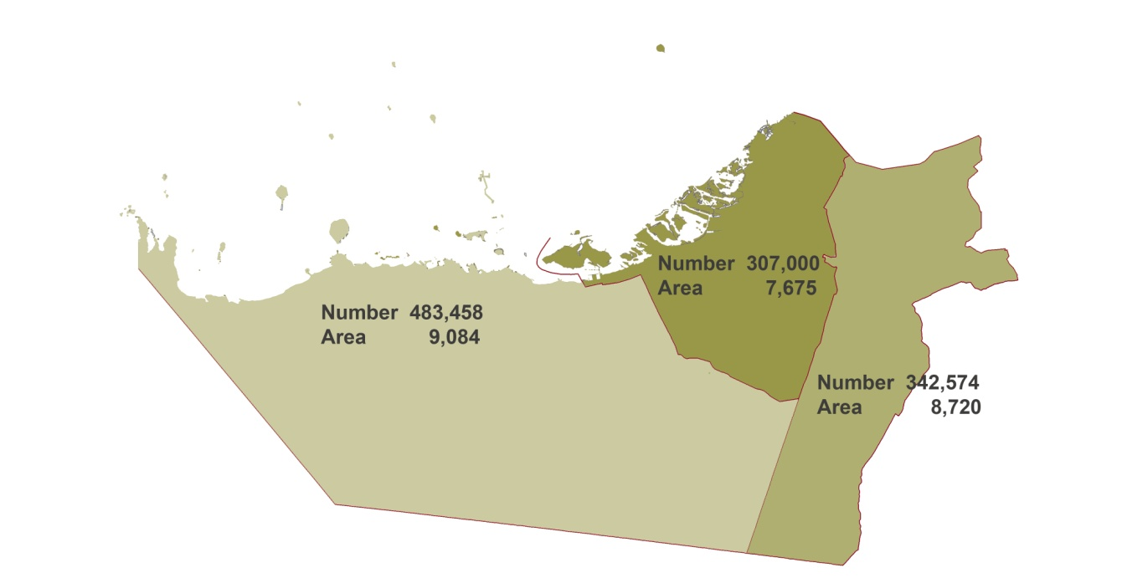
Area | 8,470.0 | 1,375.0 | 6,400.0
Al Ain
Number | 153,218 | 251,847 | 282,884
Area | 4,165.0 | 5,037.0 | 5,632.0
Western Region
Number | 640,787 | 311,202 | 567,255
Area | 21,254.0 | 8,658.0 | 14,059.7
Source: Abu Dhabi Food Control Authority

6.1.14. Quantity and Value of Agricultural Products Supplied to the Agriculture Marketing Centre
( Quantity in Tons, Value inThousand AED)
Product | 2009 |  | 2010
 | Quantity | Value | Quantity | Value
Total * | 1,246,187.7 | 2,056,748.8 | 1,054,941.3 | 1,722,949.0
Tomato | 32,431.8 | 46,826.0 | 9,112.6 | 12,804.6
Pepper | 383.8 | 1,255.6 | 47.6 | 101.0
Cucumber | 211.2 | 420.3 | 214.8 | 424.4
Marrow | 206.6 | 394.1 | 87.1 | 157.1
Watermelon | 41.6 | 53.5 | 54.4 | 70.5
Sweet Melon | 8.0 | 12.1 | 7.7 | 11.4
Onion | 1,243.3 | 3,258.9 | 622.1 | 1,621.0
Cowpeas | 0.2 | 1.1 | 0.1 | 0.5
S.Cucumber | 0.3 | 0.4 | 0.0 | 0.0
Beans | 309.3 | 1,534.3 | 104.8 | 521.4
Peas | 3.7 | 18.5 | 0.4 | 2.1
Eggplant | 96.1 | 91.6 | 32.0 | 29.2
G Rocket | 0.2 | 0.1 | 1.0 | 0.5
Cauliflower | 227.7 | 314.2 | 20.8 | 29.0
B.Bean | 17.3 | 85.2 | 0.2 | 1.1
Cabbage | 1,285.3 | 1,277.7 | 1,807.2 | 1,803.1
Lettuce | 0.9 | 1.4 | 1.8 | 3.3
Spinach | 0.4 | 0.4 | 0.0 | 0.0
J.Mallow | 28.6 | 28.0 | 14.5 | 14.5
Coriander | 0.9 | 0.8 | 0.6 | 0.6
Beets | 44.2 | 39.7 | 53.6 | 48.1
Parsley | 17.6 | 25.6 | 7.6 | 11.0
Potato | 0.3 | 1.3 | 0.0 | 0.0
Corn | 2,567.6 | 9,578.3 | 1,417.2 | 5,561.0
Turnip | 91.5 | 109.8 | 3.5 | 4.2
Carrot | 331.1 | 466.0 | 4.8 | 6.3
Grass/Hay (Livestock fed) | 1,206,638.2 | 1,990,953.9 | 1,041,325.0 | 1,699,723.0
Source: Abu Dhabi Food Control Authority
* Figures may not sum up to totals due to rounding

6.1.15. Agriculture Producers Price Indices
( 2005 = 100)
Crop | 2007 | 2008 | 2009 | 2010
All Products | 102.0 | 95.2 | 104.8 | 103.5
F.Tomato | 100.0 | 95.2 | 97.3 | 94.7
Pepper | 113.9 | 74.8 | 115.3 | 74.8
Cucumber | 99.7 | 101.8 | 100.9 | 100.2
Marrow | 105.5 | 100.2 | 98.5 | 93.1
S. Cucumber | na | na | 89.2 | na
Watermelon | 119.8 | 119.9 | 99.5 | 100.3
Sweet Melon | 103.7 | 102.1 | 99.5 | 104.4
Onion | 86.6 | 113.6 | 108.9 | 108.2
Cowpeas | na | 100.9 | 110.0 | 100.0
Okra | 110.0 | na | na | na
Beans | 100.3 | 100.6 | 100.3 | 100.5
Peas | 99.5 | 101.2 | 100.9 | 100.5
Eggplant | 100.4 | 97.7 | 101.0 | 96.5
Cauliflower | 97.2 | 97.5 | 102.7 | 103.7
B.Bean | 40.0 | 99.4 | 98.5 | 100.0
Cabbage | 100.0 | 86.7 | 104.9 | 105.3
Lettuce | 96.8 | 104.4 | 107.6 | 129.3
Spinach | 100.0 | 82.4 | 100.0 | na
J.Mallow | 101.3 | 115.9 | 107.7 | 110.0
Coriander | 100.1 | 105.1 | 94.9 | 104.4
Beets | 101.5 | 93.6 | 89.8 | 89.7
Parsley | 102.8 | 101.1 | 103.0 | 102.4
Potato | 101.6 | 107.2 | 111.2 | na
Corn | 149.2 | 112.4 | 108.9 | 114.6
Turnip | 96.1 | 97.2 | 100.0 | 100.0
Carrot | 99.4 | 111.6 | 101.9 | 96.3
G Rocket | na | na | 106.0 | 105.5
Source: Statistics Centre - Abu Dhabi

Livestock and Fisheries
Livestock is considered a key activity to economic development in the Emirate of Abu Dhabi, hence it is a main source of income for rural and desert residents. As such, this sector received the attention of governments over the past few years through the implementation of policies and programs that have successfully achieved a steady growth in livestock populations. Coastlines are considered very important in meeting the population’s demand for fish, which is the basic food component for coast inhabitants. Fisheries are one of the important renewable economic resources, and an essential source of national income.
6.1.16. Number of Livestock by Type - Abu Dhabi Emirate
Type | 2005 | 2007 | 2008 | 2009 |  |  | 2005 | 2006 | 2007 | 2008 | 2009
Total | 2,078,608 | 2,519,841 | 2,377,777 | 2,726,671 |  | Total | 2,078,608 | 2,217,352 | 2,519,841 | 2,377,777 | 2,726,671
Sheep and Goats | 1,761,713 | 2,127,604 | 1,998,280 | 2,305,603 |  | Sheep and Goats | 1,761,713 | 1,876,054 | 2,127,604 | 1,998,280 | 2,305,603
Cattle | 30,630 | 38,900 | 42,596 | 42,992 |  | Cattle | 30,630 | 33,430 | 38,900 | 42,596 | 42,992
Camels | 286,265 | 353,337 | 336,901 | 378,076 |  | Camels | 286,265 | 306,068 | 353,337 | 336,901 | 378,076
Source: Abu Dhabi Food Control Authority

6.1.17. Number of Livestock by Type - Abu Dhabi
Type | 2005 | 2007 | 2008 | 2009
Total | 306,141 | 554,527 | 559,444 | 570,437
Sheep and Goats | 253,145 | 456,783 | 464,155 | 473,193
Cattle | 5,125 | 10,507 | 11,445 | 11,799
Camels | 47,871 | 87,237 | 83,844 | 85,445
Source: Abu Dhabi Food Control Authority

6.1.18. Number of Livestock by Type - Al Ain
Type | 2005 | 2007 | 2008 | 2009 |  |  | Abu Dhabi
Total | 1,429,327 | 1,419,120 | 1,280,721 | 1,667,948 |  |  | Al Ain
Sheep and Goats | 1,255,408 | 1,231,951 | 1,102,856 | 1,443,121 |  |  | Western Region
Cattle | 15,800 | 19,442 | 21,240 | 22,000
Camels | 158,119 | 167,727 | 156,625 | 202,827
Source: Abu Dhabi Food Control Authority

6.1.19. Number of Livestock by Type - Western Region
Type | 2005 | 2007 | 2008 | 2009
Total | 343,140 | 546,194 | 537,612 | 488,286
Sheep and Goats | 253,160 | 438,870 | 431,269 | 389,289
Cattle | 9,705 | 8,951 | 9,911 | 9,193
Camels | 80,275 | 98,373 | 96,432 | 89,804
Source: Abu Dhabi Food Control Authority

Figure 6.1.5. Percentage Distribution of Number of Livestock by Region, 2009

 | Abu Dhabi
Abu Dhabi | 570,437
Al Ain | 1,667,948
Western Region | 488,286

Figure 6.1.6. Number of Livestock by Type - Abu Dhabi Emirate

6.1.20. Number and Value of Camels Supplied, Sold and Slaughtered
(Quantity in Kg, Value in AED )
Item | 2005 | 2008 | 2009 | 2010
Supplied Camels
Number | 13,468 | 953 | 710 | 1,838
Value | 38,146,500 | 2,630,500 | 2,384,500 | 6,489,375
Sold Meat
Quantity | 1,717,391 | 102,493 | 81,759 | 244,018
Value | 10,524,993 | 1,416,066 | 1,355,243 | 3,229,909
Sold Camels
Number | 756 | 213 | 151 | 238
Value | 1,801,400 | 691,400 | 590,700 | 992,975
Source: Abu Dhabi Food Control Authority

6.1.21. Number and Production of Poultry Farms by Type
Type | Unit | 2008 | 2009 | 2010
Broilers
 | Number | 9 | 7 | 8
 | Ton | 12,000 | 13,228 | 15,225
Layers
 | Number | 4 | 3 | 4
 | Thousand egg | 130,121 | 155,648 | 127,013
Source: Abu Dhabi Food Control Authority

6.1.22. Quantity and Value of Fish Caught by Major Fish Families
(Quantity inTons, Value in Million AED)
Fish Families | 2009 |  | 2010
 | Quantity | Value | Quantity | Value
Total | 5,977 | 104.8 | 5,292 | 94.0
Carangidae | 1,009 | 15.8 | 836 | 12.9
Haemulidae | 727 | 3.9 | 690 | 4.0
Lethrinidae | 1,111 | 15.6 | 1,031 | 14.7
Lutjanidae | 275 | 2.1 | 134 | 1.8
Portunidae | 133 | 1.5 | 77 | 1.2
Scombridae | 954 | 26.3 | 644 | 16.4
Serranidae | 940 | 29.2 | 1,095 | 36.7
Sparidae | 162 | 1.7 | 121 | 1.4
Others | 666 | 8.8 | 664 | 4.9
Source: Environment Agency - Abu Dhabi

6.1.23. Number of Animals Treated at Veterinary Clinics by Region
Region | 2007 | 2008 | 2009 | 2010
Total | 2,824,054 | 3,102,291 | 2,714,613 | 1,127,777
Abu Dhabi and Western Region | 1,365,804 | 1,166,816 | 1,132,559 | 530,499
Al Ain | 1,458,250 | 1,935,475 | 1,582,054 | 597,278
Source: Abu Dhabi Food Control Authority

6.1.24. Number of Cases Treated and Vaccinated by Type of Animal and Region, 2010
Type of Animal | Grand Total | Abu Dhabi | Al Ain | Western Region
Total | 1,003,165 | 142,532 | 546,683 | 313,950
Sheep | 447,951 | 59,966 | 221,123 | 166,862
Goats | 415,545 | 56,640 | 240,555 | 118,350
Cattle | 20,365 | 2,663 | 15,790 | 1,912
Camels | 115,906 | 22,359 | 67,927 | 25,620
Other | 3,398 | 904 | 1,288 | 1,206
Source: Abu Dhabi Food Control Authority

6.1.25. Number of Incidence of Poultry Diseases by Region
Region | 2005 | 2008 | 2009 | 2010
Total | 201,992 | 427,579 | 743,469 | 124,613
Abu Dhabi and Western Region | 175,365 | 63,167 | 97,601 | 74,017
Al Ain | 26,627 | 364,412 | 645,868 | 50,596
Source: Abu Dhabi Food Control Authority

Agricultural Goods Trade

The Emirate of Abu Dhabi enjoys robust foreign trade in agricultural commodities, supported by its geographical location and its proximity to Asian markets, in addition to the trade facilities and trade laws and regulations in force. All these factors have contributed to the growth and development of commercial exchange of food and other agricultural goods and products through the Emirate's ports.
6.1.26. Value of Imports of Agricultural Goods and Food
(Thousand AED)
Item | 2005 | 2008 | 2009 | 2010 |  | 2005 | 2006 | 2007 | 2008 | 2009 | 2010
Total* | 3,317,479 | 5,679,425 | 6,395,953 | 6,705,965 |  | 3,317,479 | 3,627,429 | 4,432,513 | 5,679,425 | 6,395,953 | 6,705,965
Live animals and their products | 980,136 | 1,812,451 | 1,784,291 | 1,891,753 |  | 980,136 | 1,131,258 | 1,376,242 | 1,812,451 | 1,784,291 | 1,891,753
Vegetable products | 1,257,529 | 2,043,674 | 2,869,276 | 2,816,459 |  | 1,257,529 | 1,292,094 | 1,745,738 | 2,043,674 | 2,869,276 | 2,816,459
Animals or vegetable fats, oils and waxes | 182,638 | 480,983 | 268,108 | 328,253 |  | 182,638 | 236,937 | 210,909 | 480,983 | 268,108 | 328,253
Foodstuffs, beverages, spirits and tobacco | 812,332 | 1,260,677 | 1,408,733 | 1,581,916 |  | 812,332 | 909,293 | 1,041,872 | 1,260,677 | 1,408,733 | 1,581,916
Fertilizers | 61,320 | 54,408 | 38,648 | 52,728 |  | 61,320 | 34,600 | 33,595 | 54,408 | 38,648 | 52,728
Pesticides and rodents, fungi, weeds | 23,524 | 27,231 | 26,898 | 34,857 |  | 23,524 | 23,247 | 24,157 | 27,231 | 26,898 | 34,857
Source: Statistics Centre - Abu Dhabi
* Figures may not sum up to totals due to rounding

6.1.27. Value of Exports of Agricultural Goods and Food
(Thousand AED)
Item | 2005 | 2008 | 2009 | 2010 |  | 2005 | 2006 | 2007 | 2008 | 2009 | 2010
Total* | 293,298 | 614,156 | 447,497 | 561,997 |  | 293,298 | 343,956 | 448,798 | 614,156 | 447,497 | 561,997
Live animals and their products | 48,647 | 97,841 | 107,913 | 112,270 |  | 48,647 | 84,374 | 73,651 | 97,841 | 107,913 | 112,270
Vegetable products | 34,120 | 61,300 | 37,667 | 60,009 |  | 34,120 | 31,124 | 58,020 | 61,300 | 37,667 | 60,009
Animals or vegetable fats, oils and waxes | 125,751 | 242,928 | 107,554 | 154,475 |  | 125,751 | 129,731 | 158,001 | 242,928 | 107,554 | 154,475
Foodstuffs, beverages, spirits and tobacco | 47,761 | 132,307 | 143,326 | 181,108 |  | 47,761 | 59,702 | 110,866 | 132,307 | 143,326 | 181,108
Fertilizers | 37,020 | 79,692 | 51,036 | 53,929 |  | 37,020 | 38,832 | 47,346 | 79,692 | 51,036 | 53,929
Pesticides and rodents, fungi, weeds | 0 | 87 | 0 | 205 |  | 0 | 193 | 914 | 87 | 0 | 205
Source: Statistics Centre - Abu Dhabi
* Figures may not sum up to totals due to rounding

6.1.28. Value of Re-Exports of Agricultural Goods and Food
(Thousand AED)
Item | 2005 | 2008 | 2009 | 2010 |  | 2005 | 2006 | 2007 | 2008 | 2009 | 2010
Total* | 163,206 | 131,842 | 91,691 | 115,901 |  | 163,206 | 94,308 | 130,883 | 131,842 | 91,691 | 115,901
Live animals and their products | 37,679 | 40,855 | 32,854 | 20,673 |  | 37,679 | 43,388 | 47,134 | 40,855 | 32,854 | 20,673
Vegetable products | 45,012 | 55,238 | 18,965 | 64,977 |  | 45,012 | 29,816 | 55,903 | 55,238 | 18,965 | 64,977
Animals or vegetable fats, oils and waxes | 27,766 | 3,521 | 9,655 | 1,106 |  | 27,766 | 755 | 4,288 | 3,521 | 9,655 | 1,106
Foodstuffs, beverages, spirits and tobacco | 50,855 | 31,853 | 29,004 | 28,416 |  | 50,855 | 18,000 | 22,710 | 31,853 | 29,004 | 28,416
Fertilizers | 682 | 202 | 948 | 630 |  | 682 | 1,335 | 474 | 202 | 948 | 630
Pesticides and rodents, fungi, weeds | 1,213 | 173 | 264 | 98 |  | 1,213 | 1,014 | 374 | 173 | 264 | 98
Source: Statistics Centre - Abu Dhabi
* Figures may not sum up to totals due to rounding

Figure 6.1.7. Value of Imports, Exports, and Re-Exports of Agricultural Goods and Food

 |  |  |  |  |  | Imports
 |  |  |  |  |  | Exports
 |  |  |  |  |  | Re-Exports

6.1.29. Quantity and Value of Imports, Exports and Re-Exports of Agricultural Fertilizers
(Quantity in Tons, Value in Thousand AED)
Description | 2005 | 2008 | 2009 | 2010
Imports
Quantity | 85,897 | 20,892 | 18,690 | 24,707
Value | 61,320 | 54,408 | 38,648 | 52,728
Exports
Quantity | 18,805 | 20,361 | 19,138 | 18,935
Value | 37,020 | 79,692 | 51,036 | 53,929
Re-Exports
Quantity | 310 | 188 | 103 | 300
Value | 682 | 202 | 948 | 630
Source: Statistics Centre - Abu Dhabi

6.1.30. Quantity of Pesticides Used by Type and Region, 2010
Item | Abu Dhabi | Al Ain | Western Region | Total
Insecticides
Liter | 365 | 106,352 | 1,234 | 107,951
Kilogram | 40 | 2,065 | 286 | 2,391
Fungicides
Liter | 0 | 6,116 | 142 | 6,258
Kilogram | 14 | 27,741 | 300 | 28,055
Acaroids
Liter | 48 | 10,771 | 259 | 11,078
Kilogram | 0 | 1,453 | 6 | 1,459
Phostoxin
Number | 106 | 9,222 | 1,945 | 11,273
Kilogram | 70 | 44,048 | 188 | 44,306
Pheromones (Number) | 10,315 | 70,908 | 73,230 | 154,453
Kairmone (Number) | 10,316 | 0 | 0 | 10,316
Others
Liter | 0 | 190 | 0 | 190
Kilogram | 0 | 21 | 0 | 21
Source: Abu Dhabi Food Control Authority

6.1.31. Total Loans given to the Farmers in Agricultural Sector by Region
(Thousand AED)
Region | 2005 | 2008 | 2009 | 2010
Total* | 46,509.0 | 42,430.6 | 25,755.1 | 26,718.8
Abu Dhabi and Western Region | 5,688.7 | 4,145.0 | 4,280.3 | 4,966.9
Al Ain | 40,820.3 | 38,285.6 | 21,474.8 | 21,751.9
Source: Abu Dhabi Food Control Authority
* The farmers pay only 50% of the value of the loan

6.1.32. Number of Agriculture Centres by Region, 2010
Region | Extension Centres | Supply Centres | Marketing Centres | Marketing Centres Feed
Total | 39 | 24 | 22 | 20
Abu Dhabi | 2 | 3 | 10 | 2
Al Ain | 25 | 9 | 7 | 7
Western Region | 12 | 12 | 5 | 11
Source: Abu Dhabi Food Control Authority

